Financial
# | Abrev. | Type | Need Audit? | Rate | Total PMs | A. Personnel costs/€ (a1) | B. Sub- contracting costs/€ (b) | C.1 Travel and Subsistence/€ (c1) | C.2 Equipment/€ (c2) | C.3 Other goods, works and services TOTAL/€ |  |  | (C) Purchase costs | D. Other cost categories | (E) Indirect Costs (e)=25%*[(a1)+(c1)+(c2)+(c3)+(d7)] | (H) Total eligible costs/€ (h)=(a1)+(b)+(c1)+(c2)+(c3)+(d)+(e) | (U) Funding rate | (J) Max. grant / € (=H*I) | 15% Criterion | Target
 |  |  |  |  |  |  |  |  |  | Audit/€ | Other goods, works and services/€ | (c3) TOTAL |  |  |  |  |  |  |  | Total | Personnel | PMS
1 | ICCS | Research | Yes | 5,000 € | 69 | 345,000 € |  | 20,000 € | 5,000 € | 4,000 € |  | 4,000 € | 29,000 € | 0 € | 93,500 € | 467,500 € | 100% | 467,500 € | 8.4% | 500,000.00 € | 376,800.00 € | 75
2 | ISI | Research | Yes | 5,000 € | 65 | 325,000 € |  | 20,000 € | 5,000 € | 5,000 € |  | 5,000 € | 30,000 € | 0 € | 88,750 € | 443,750 € | 100% | 443,750 € | 9.2% | 450,000.00 € | 336,000.00 € | 67
3 | UNICA | Research | No | 5,000 € | 52 | 260,000 € |  | 20,000 € | 0 € | 0 € |  | 0 € | 20,000 € | 0 € | 70,000 € | 350,000 € | 100% | 350,000 € | 7.7% | 350,000.00 € | 264,000.00 € | 52
4 | IMT | Research | No | 6,500 € | 34 | 221,000 € |  | 20,000 € | 0 € | 0 € |  | 0 € | 20,000 € | 0 € | 60,250 € | 301,250 € | 100% | 301,250 € | 9.0% | 300,000.00 € | 224,000.00 € | 34
5 | SIE | Industry | Yes | 12,180 € | 38 | 462,840 € |  | 20,000 € | 20,000 € | 5,000 € |  | 5,000 € | 45,000 € | 0 € | 126,960 € | 634,800 € | 100% | 634,800 € | 9.7% | 600,000.00 € | 444,000.00 € | 36
6 | AEGIS | SME | No | 7,400 € | 43 | 318,200 € |  | 20,000 € | 0 € | 5,000 € |  | 5,000 € | 25,000 € | 0 € | 85,800 € | 429,000 € | 100% | 429,000 € | 7.9% | 450,000.00 € | 340,000.00 € | 45
7 | TID | Industry | Yes | 7,514 € | 67 | 503,411 € |  | 20,000 € | 0 € | 5,000 € |  | 5,000 € | 25,000 € | 0 € | 132,103 € | 660,514 € | 100% | 660,514 € | 5.0% | 650,000.00 € | 500,000.00 € | 66
8 | UNIPI | Research | No | 4,700 € | 56 | 263,200 € |  | 20,000 € | 0 € | 0 € |  | 0 € | 20,000 € | 0 € | 70,800 € | 354,000 € | 100% | 354,000 € | 7.6% | 350,000.00 € | 264,000.00 € | 56
9 | SAP | Industry | Yes | 8,000 € | 43 | 344,000 € |  | 21,600 € | 0 € | 0 € | 17,000 € | 17,000 € | 38,600 € | 0 € | 95,650 € | 478,250 € | 100% | 478,250 € | 11.2% | 500,000.00 € | 382,720.00 € | 47
10 | SLC | SME | No | 6,100 € | 34 | 207,400 € |  | 20,000 € | 0 € | 0 € |  | 0 € | 20,000 € | 0 € | 56,850 € | 284,250 € | 100% | 284,250 € | 9.6% | 300,000.00 € | 224,000.00 € | 36
11 | PAN | Industry | No | 12,130 € | 25 | 303,250 € |  | 20,000 € | 0 € | 0 € |  | 0 € | 20,000 € | 0 € | 80,813 € | 404,063 € | 100% | 404,063 € | 6.6% | 350,000.00 € | 264,000.00 € | 21
12 | AVI | SME | No | 5,500 € | 55 | 302,500 € |  | 20,000 € | 0 € | 0 € |  | 0 € | 20,000 € | 0 € | 80,625 € | 403,125 € | 100% | 403,125 € | 6.6% | 400,000.00 € | 304,000.00 € | 55
13 | DIE | SME | No | 6,500 € | 44 | 286,000 € |  | 20,000 € | 0 € | 0 € |  | 0 € | 20,000 € | 0 € | 76,500 € | 382,500 € | 100% | 382,500 € | 7.0% | 400,000.00 € | 304,000.00 € | 46
14 | CBRL | SME | No | 8,500 € | 35 | 297,500 € |  | 20,000 € | 0 € | 0 € |  | 0 € | 20,000 € | 0 € | 79,375 € | 396,875 € | 100% | 396,875 € | 6.7% | 400,000.00 € | 304,000.00 € | 35
15 | STS | SME | No | 17,600 € | 26 | 457,600 € |  | 20,000 € | 3,000 € | 10,000 € |  | 10,000 € | 33,000 € | 0 € | 122,650 € | 613,250 € | 0% | 0 € | 7.2% | 500,000.00 € | 373,600.00 € | 21
Total |  |  |  |  | 686 | 4,896,901 € | 0.00 € | 301,600 € | 33,000 € | 34,000 € | 17,000 € | 51,000 € | 385,600 € | 0 € | 1,320,625 € | 6,603,127 € |  | 5,989,877 € | 7.9% | 6,000,000 € | 4,531,520 € | 671

Budget per partner

Totals
 | 1 | 2 | 3 | 4 | 5 | 6 | 7 | 8 | 9 | 10 | 11 | 12 | 13 | 14 |  |  | 1 | 2 | 3 | 4 | 5 | 6 | 7 | 8 | 9 | 10 | 11 | 12 | 13 | 14 | Total /Task
 | ICCS | ISI | UNICA | IMT | SIE | AEGIS | TID | UNIPI | SAP | SLC | PAN | AVI | DIE | CBRL | Total |  | ICCS | ISI | UNICA | IMT | SIE | AEGIS | TID | UNIPI | SAP | SLC | PAN | AVI | DIE | CBRL
WP1 | 19 | 8 | 1 | 1 | 1 | 7 | 3 | 1 | 1 | 1 | 1 | 1 | 1 | 1 | 47 | WP1 | 95,000 € | 40,000 € | 5,000 € | 6,500 € | 12,180 € | 51,800 € | 22,541 € | 4,700 € | 8,000 € | 6,100 € | 12,130 € | 5,500 € | 6,500 € | 8,500 € | 284,451 €
WP2 | 2 | 7 | 2 | 4 | 9 | 8 | 5 | 2 | 7 | 4 | 10 | 4 | 6 | 12 | 82 | WP2 | 10,000 € | 35,000 € | 10,000 € | 26,000 € | 109,620 € | 59,200 € | 37,568 € | 9,400 € | 56,000 € | 24,400 € | 121,300 € | 22,000 € | 39,000 € | 102,000 € | 661,488 €
WP3 | 2 | 10 | 4 | 3 | 3 | 6 | 2 | 3 | 7 | 4 | 4 | 3 | 6 | 4 | 61 | WP3 | 10,000 € | 50,000 € | 20,000 € | 19,500 € | 36,540 € | 44,400 € | 15,027 € | 14,100 € | 56,000 € | 24,400 € | 48,520 € | 16,500 € | 39,000 € | 34,000 € | 427,987 €
WP4 | 18 | 14 | 33 | 16 | 10 | 0 | 33 | 28 | 24 | 0 | 6 | 24 | 4 | 0 | 210 | WP4 | 90,000 € | 70,000 € | 165,000 € | 104,000 € | 121,800 € | 0 € | 247,949 € | 131,600 € | 192,000 € | 0 € | 72,780 € | 132,000 € | 26,000 € | 0 € | 1,353,129 €
WP5 | 16 | 21 | 8 | 0 | 0 | 12 | 20 | 18 | 0 | 16 | 0 | 6 | 20 | 14 | 151 | WP5 | 80,000 € | 105,000 € | 40,000 € | 0 € | 0 € | 88,800 € | 150,272 € | 84,600 € | 0 € | 97,600 € | 0 € | 33,000 € | 130,000 € | 119,000 € | 928,272 €
WP6 | 12 | 5 | 4 | 10 | 15 | 10 | 4 | 4 | 4 | 9 | 4 | 17 | 7 | 4 | 109 | WP6 | 60,000 € | 25,000 € | 20,000 € | 65,000 € | 182,700 € | 74,000 € | 30,054 € | 18,800 € | 32,000 € | 54,900 € | 48,520 € | 93,500 € | 45,500 € | 34,000 € | 783,974 €
 | 69 | 65 | 52 | 34 | 38 | 43 | 67 | 56 | 43 | 34 | 25 | 55 | 44 | 35 | 660 |  | 345,000 € | 325,000 € | 260,000 € | 221,000 € | 462,840 € | 318,200 € | 503,411 € | 263,200 € | 344,000 € | 207,400 € | 303,250 € | 302,500 € | 286,000 € | 297,500 € | 4,439,301 €
 |  |  |  |  |  |  |  |  |  |  |  |  |  |  | 660

Effort per partner
PM cost per partner
Relative Effort Allocation

Effort per WP
PM cost per WP
Relative Budget Allocation

Table3.1a
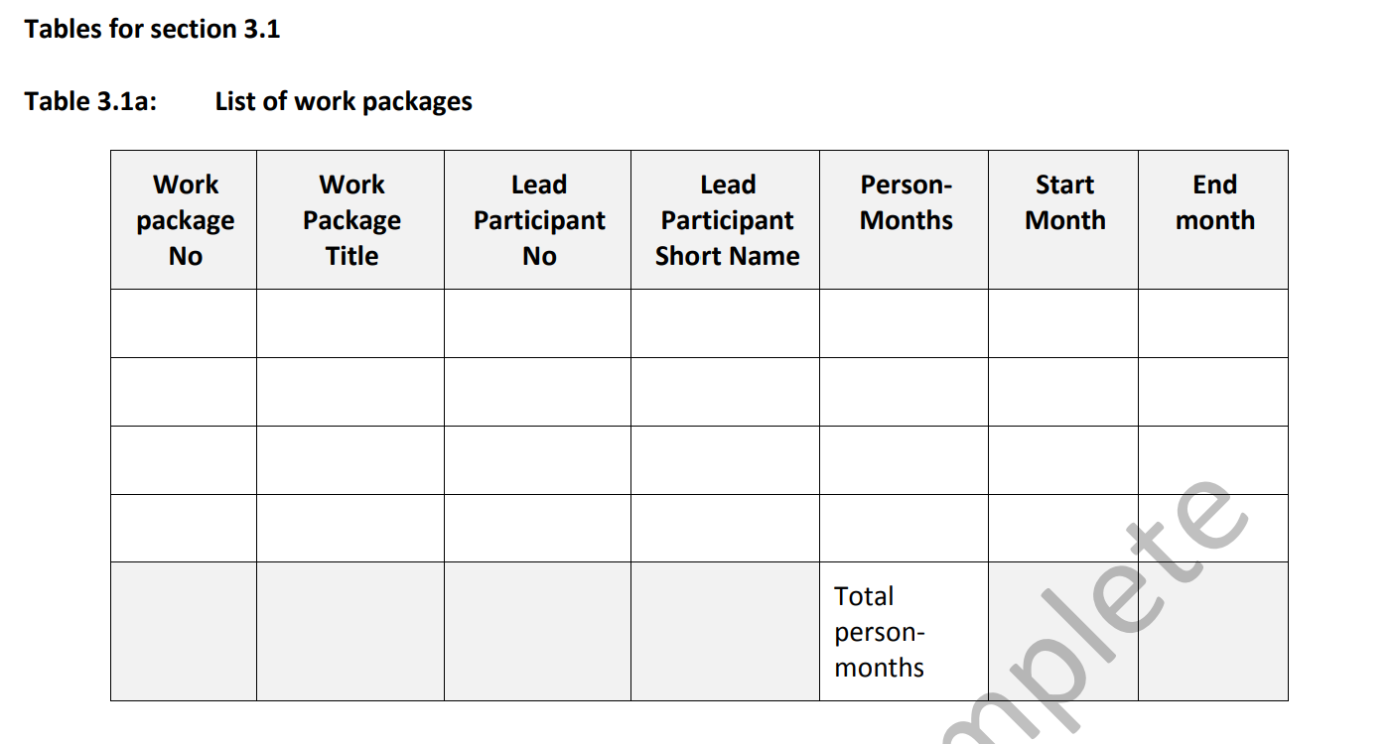
WP# | WP Title | Lead # | Lead Name | PMs | Start | End | TotalIndex
WP1 | Project Management | 1 | ICCS | 48 | 1 | 36 | 17
WP2 | Dissemination, Exploitation, Sustainability | 14 | CBRL | 90 | 1 | 36
WP3 | Specification/ Requirements and CoEvolution Architecture | 2 | ISI | 63 | 1 | 12
WP4 | AI model STR Αssessment., Εnhancement and Context Awareness technology enablers | 7 | TID | 210 | 8 | 33
WP5 | CoEvolution AI model lifecycle STR Security Assurance and Monitoring | 13 | DIE | 161 | 8 | 33
WP6 | Integration, evaluation and project outcomes | 12 | AVI | 114 | 6 | 36
Total |  |  |  | 686

Table3.1c Deliverables
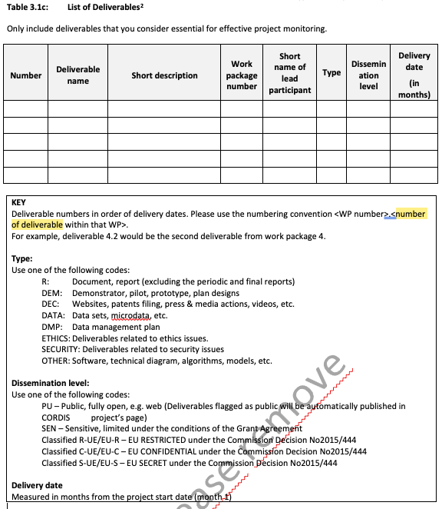
to sort by date | # | Name | Short description | WP# | Lead | Type | Diss. level | Del. date | For WP tables | MONTH | #DELIV
M03 | D1.1 | Project Manual | Project processes for day-to-day operations and quality management | 1 | ICCS | R | PU | M03 | D1.1:Project Manual (ICCS;R)
M06 | D1.2 | Data Management Plan | Data management plan (living document) | 1 | AEGIS | DMP | SEN | M06 | D1.2:Data Management Plan (AEGIS;DMP)
M36 | D1.3 | Innovation management and ethics oversight report | Innovation management and ethics oversight report | 1 | AEGIS | R | SEN | M36 | D1.3:Innovation management and ethics oversight report (AEGIS;R)
M12 | D1.4 | Analysis of the legal and ethical issues | Artificial Intelligence Act analysis and Ethical Board activities report (living document) | 1 | AEGIS | R | PU | M12 | D1.4:Analysis of the legal and ethical issues (AEGIS;R)
M36 | D1.5 | Innovation management report | Innovation management report | 1 | AEGIS | R | SEN | M36 | D1.5:Innovation management report (AEGIS;R)
M06 | D2.1 | Plan for impact delivery | Communication, Dissemination and Exploitation Plan | 2 | AEGIS | R | SEN | M06 | D2.1:Plan for impact delivery (AEGIS;R)
M18 | D2.2 | First Impact Analysis | First report on the activities and indications on their impact | 2 | CBRL | R | SEN | M18 | D2.2:First Impact Analysis (CBRL;R)
M36 | D2.3 | Final Impact report | Second report on the activities and indications on their impact | 2 | CBRL | R | SEN | M36 | D2.3:Final Impact report (CBRL;R)
M12 | D3.1 | Project scope definition | State of the art report, threat models, codified requirements and use cases | 3 | SAP | R | PU | M12 | D3.1:Project scope definition (SAP;R)
M12 | D3.2 | Technical specifications | Architecture and technical specification of the framework (live document) | 3 | ISI | OTHER | PU | M12 | D3.2:Technical specifications (ISI;OTHER)
M18 | D4.1 | Enablers development S&T report | Scientific and technical report of the developed tools and techniques | 4 | UNICA | R | PU | M18 | D4.1:Enablers development S&T report (UNICA;R)
M33 | D4.2 | Enablers repository | SW repository with developed tools with proper documentation for prospective uptakers | 4 | TID | OTHER | PU | M33 | D4.2:Enablers repository (TID;OTHER)
M18 | D5.1 | Security assurance and monitoring S&T report | Scientific and technical report of the developed tools and techniques | 5 | ISI | R | PU | M18 | D5.1:Security assurance and monitoring S&T report (ISI;R)
M33 | D5.2 | Security assurance and monitoring repository | SW repository with developed tools with proper documentation for prospective uptakers | 5 | DIE | OTHER | PU | M33 | D5.2:Security assurance and monitoring repository (DIE;OTHER)
M24 | D6.1 | Simulator & datasets | Simulator and datasets to support R&D | 6 | AVI | OTHER | PU | M24 | D6.1:Simulator & datasets (AVI;OTHER)
M24 | D6.2 | MVP | A minimum viable product of the integrated framework to be validated and demonstrated | 6 | AEGIS | OTHER | PU | M24 | D6.2:MVP (AEGIS;OTHER)
M36 | D6.3 | Integrated framework | Final integrated framework and prototypes | 6 | SIE | DEM | PU | M36 | D6.3:Integrated framework (SIE;DEM)
M36 | D6.4 | Evaluation report | Evalution process summary results for uptake and post-implementation support & development | 6 | SLC | R | PU | M36 | D6.4:Evaluation report (SLC;R)

Delivery rate

 |  | ICCS | 1
 |  | UNICA | 1
 |  | 0 | 0
 |  | AEGIS | 6
 |  | UNIPI | 0
 |  | SLC | 1
 |  | SAP | 1
 |  | AVI | 1
 |  | 0 | 0
 |  | IMT | 0
 |  | CBRL | 2
 |  | #REF! | 0
 |  | SIE

Table3.1d_Milestones
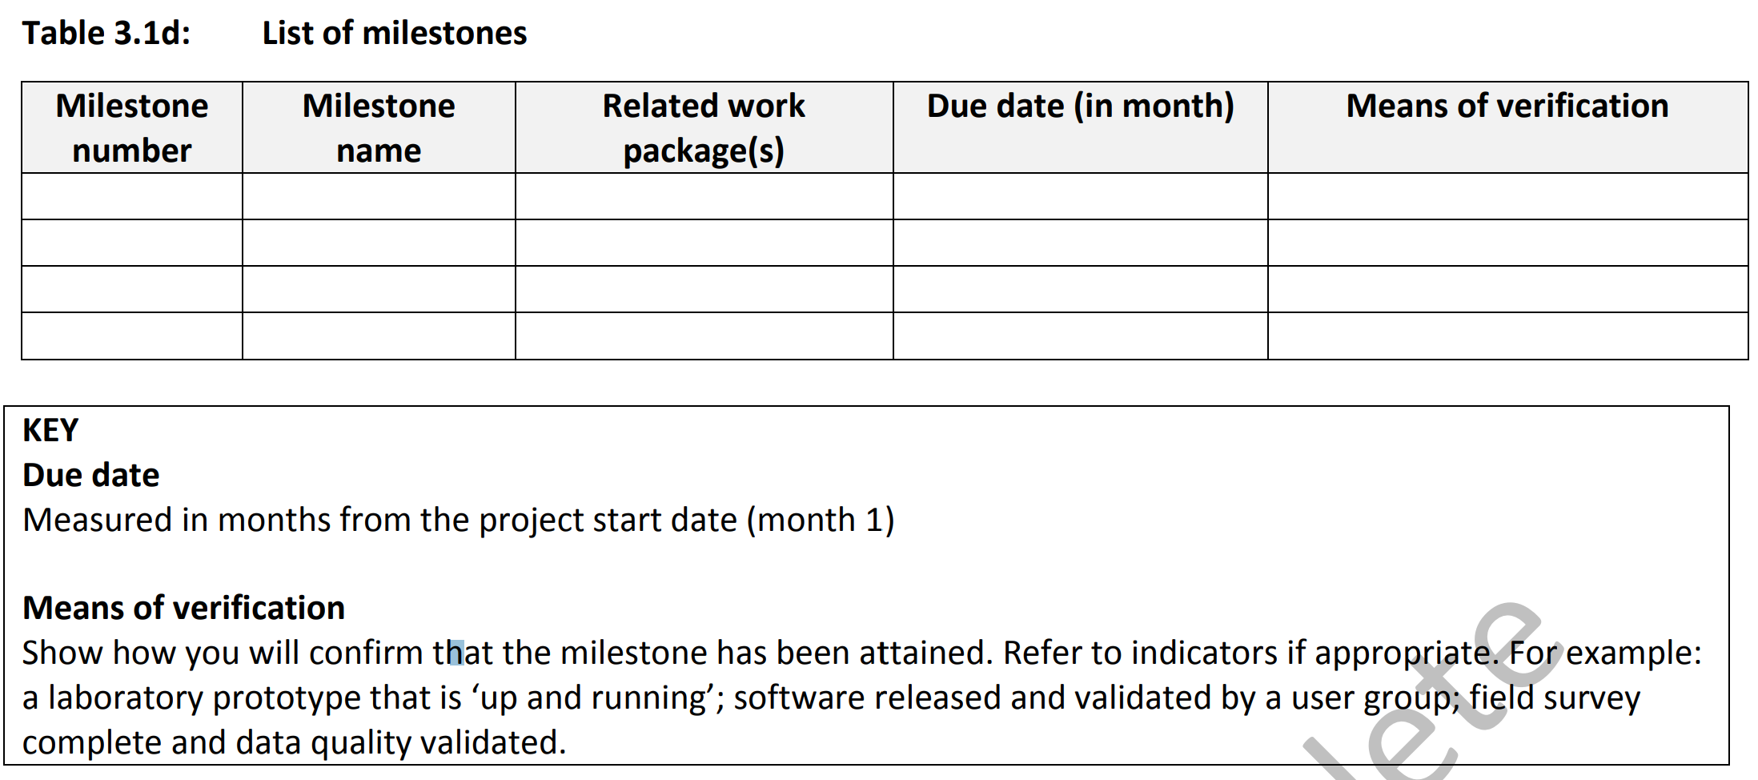
# | Name | Related WP | Due Date | Means of verification | Lead
MS1 | Project bootstrapping | WP1&2 | M06 | D1.1,D1.2&D2.1
MS2 | Project scope codification | WP3 | M12 | D3.1&D3.2
MS3 | R&D and impact maximization plans and first results | WP2,4&5 | M18 | D2.2,D4.1&D5.1
MS4 | MVP release | WP5 | Μ24 | D6.1&D6.2
MS5 | S&T outputs for uptake | WP4&5 | M33 | D4.2&D5.2
MS6 | Project outputs, evaluation and sustainability | WP1,2&6 | M36 | D1.3,D2.3,D6.3&D6.4
MS7
MS8
MS9
MS10

Table3.1f
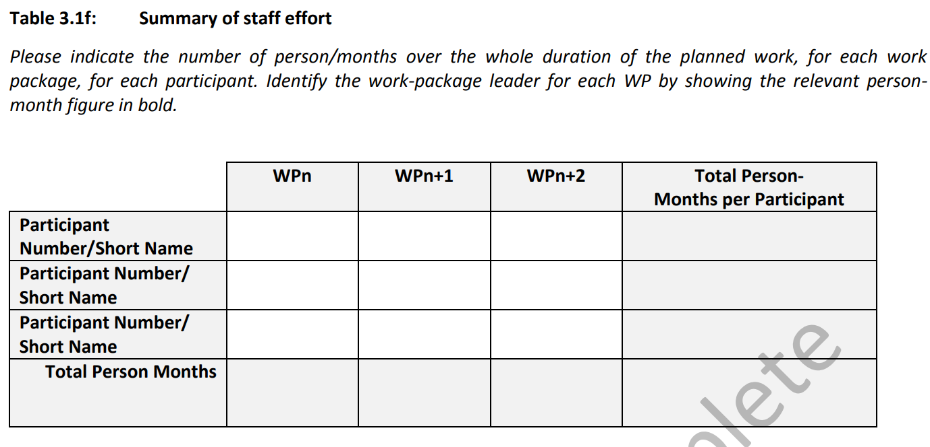
 | WP1 | WP2 | WP3 | WP4 | WP5 | WP6 | Total PMs | DO NOT DELETE
1-ICCS | 19 | 2 | 2 | 18 | 16 | 12 | 69 | 1 | ICCS | 6 | WPs!$F$1 | WPs!$F$200
2-ISI | 8 | 7 | 10 | 14 | 21 | 5 | 65 | 2 | ISI | 7 | WPs!$G$1 | WPs!$G$200
3-UNICA | 1 | 2 | 4 | 33 | 8 | 4 | 52 | 3 | UNICA | 8 | WPs!$H$1 | WPs!$H$200
4-IMT | 1 | 4 | 3 | 16 | 0 | 10 | 34 | 4 | IMT | 9 | WPs!$I$1 | WPs!$I$200
5-SIE | 1 | 9 | 3 | 10 | 0 | 15 | 38 | 5 | SIE | 10 | WPs!$J$1 | WPs!$J$200
6-AEGIS | 7 | 8 | 6 | 0 | 12 | 10 | 43 | 6 | AEGIS | 11 | WPs!$K$1 | WPs!$K$200
7-TID | 3 | 5 | 2 | 33 | 20 | 4 | 67 | 7 | TID | 12 | WPs!$L$1 | WPs!$L$200
8-UNIPI | 1 | 2 | 3 | 28 | 18 | 4 | 56 | 8 | UNIPI | 13 | WPs!$M$1 | WPs!$M$200
9-SAP | 1 | 7 | 7 | 24 | 0 | 4 | 43 | 9 | SAP | 14 | WPs!$N$1 | WPs!$N$200
10-SLC | 1 | 4 | 4 | 0 | 16 | 9 | 34 | 10 | SLC | 15 | WPs!$O$1 | WPs!$O$200
11-PAN | 1 | 10 | 4 | 6 | 0 | 4 | 25 | 11 | PAN | 16 | WPs!$P$1 | WPs!$P$200
12-AVI | 1 | 4 | 3 | 24 | 6 | 17 | 55 | 12 | AVI | 17 | WPs!$Q$1 | WPs!$Q$200
13-DIE | 1 | 6 | 6 | 4 | 20 | 7 | 44 | 13 | DIE | 18 | WPs!$R$1 | WPs!$R$200
14-CBRL | 1 | 12 | 4 | 0 | 14 | 4 | 35 | 14 | CBRL | 19 | WPs!$S$1 | WPs!$S$200
15-STS | 1 | 8 | 2 | 0 | 10 | 5 | 26 | 15 | STS | 20 | WPs!$T$1 | WPs!$T$200
Total PMs | 48 | 90 | 63 | 210 | 161 | 114 | 686

Effort Allocation

